Scoresheet
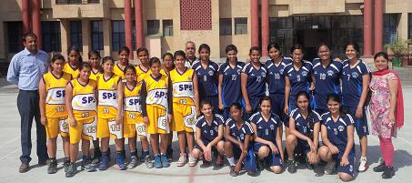
VICTORIAN'S SPORTS CARNIVAL 2014 Match No 4: 24-04-2014 Mater Dei School, India Gate Vs Sachdeva Public School, Pitampura

The fourth match of the tournament was crucial for the Sechdeva Public School as they had won the first but lost the second match. They proved themselves not only winning their third one rather winning with a margin. It was Sakshi again of Sachdeva Public School scoring 21 points in the match who was supported by Divya scoring 11 points. Christine from Mater Dei School, showed a good game scoring 9 points it wasn't enough.Sachdeva Public School Won 43-22. |  |  |  |  |  |  |  |  | 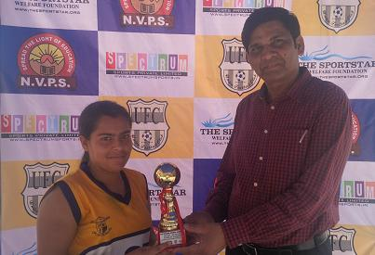
Teams of Sachdeva Public School, Pitampura and Mater Dei School, India Gate. Sakshi of Sachdeva Public School receiving the Player of the Match award from Manager Mr. Sanjay Kumar of National Victor School
CH No. | MATER DEI SCHOOL, INDIA GATE |  |  |  |  | VS | CH No. | SACHDEVA PUBLIC SCHOOL, PITAMPURA
 | Players Name | 1 | 2 | 3 | TOTAL |  |  | Players Name |  | 1 | 2 | 3 | TOTAL
4 | NANDINI | 0 | 0 | 0 | 0 |  | 4 | SWEEH |  | 0 | 0 | 0 | 0
5 | JIYA | 0 | 0 | 0 | 0 |  | 5 | DIVI |  | 0 | 0 | 0 | 0
6 | STUTI | 0 | 1 | 0 | 2 |  | 6 | KRITIKA DHINGRA |  | 1 | 0 | 0 | 1
7 | JENYA | 0 | 0 | 0 | 0 |  | 7 | HIMANSHI |  | 0 | 2 | 0 | 4
8 | CHRISTINE | 3 | 3 | 0 | 9 |  | 8 | SALONI |  | 0 | 0 | 0 | 0
9 | FARIYA | 0 | 0 | 0 | 0 |  | 9 | PARUL |  | 0 | 0 | 0 | 0
10 | SHRUTI | 0 | 1 | 0 | 2 |  | 10 | MRIDULA |  | 0 | 0 | 0 | 0
11 | SHAGUFTA | 0 | 0 | 0 | 0 |  | 11 | RAKSHITA |  | 0 | 1 | 0 | 2
12 | JISA | 0 | 0 | 0 | 0 |  | 12 | KRITIKA DHAMIJA |  | 0 | 0 | 0 | 0
13 | SHRIKA | 0 | 1 | 0 | 2 |  | 13 | AKANKSHA |  | 0 | 2 | 0 | 4
14 | JIGYASA | 3 | 2 | 0 | 7 |  | 14 | DIVYA |  | 1 | 5 | 0 | 11
15 | AGRIMA | 0 | 0 | 0 | 0 |  | 15 | SAKSHI |  | 3 | 9 | 0 | 21
TOTAL SCORE |  |  |  |  | 22 |  | TOTAL SCORE |  |  |  |  |  | 43
FOR RESULTS PLEASE VISIT www.spectrumsports.in

